Sheet1
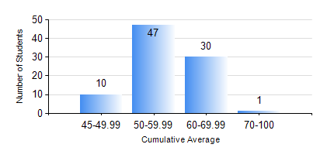
 |  |  | KWAME NKRUMAH UNIVERSITY OF SCIENCE AND TECHNOLOGY, KUMASI Department of Materials Engineering

 |  |  | BSC. METALLURGICAL ENG.

 |  |  | COMPREHENSIVE RECORD OF EXAMINATION RESULTS

 |  |  | RESULTS OF YEAR 4 FIRST SEMESTER, 2019/2020 ACADEMIC YEAR

 | Sn | Course Code |  | Course Name | Credit Hours | Min. Mark | Max. Mark | Avg. Mark | Std. Dev. | No. Passed | No. Trailed | No. (Df) | No. (I) | No. (I*) | No. Tagged(I,I*,Df) | Total
 | 0. |  |  |  |  |  |  | 0 | 0 | 0 | 0 | 0 | 0 | 0 | 0 | 1
 | 1. | ME 491 |  | ENGINEERING ECONOMICS AND MANAGEMENT | 3 | 41 | 81 | 59 | 7.23 | 87 | 0 | 0 | 0 | 0 | 0 | 87
 | 2. | METE 451 |  | METALLURGICAL PLANT DESIGN/OPERATIONS | 3 | 40 | 78 | 60 | 7.95 | 87 | 0 | 0 | 0 | 0 | 0 | 87
 | 3. | METE 453 |  | HYDROMETALLURGY OF LIGHT METALS | 2 | 22 | 83 | 58 | 13.99 | 80 | 7 | 0 | 0 | 0 | 0 | 87
 | 4. | METE 455 |  | VACATION TRAINING | 2 | 51 | 96 | 75 | 8.83 | 85 | 0 | 2 | 0 | 0 | 2 | 87
 | 5. | METE 457 |  | CORROSION AND CORROSION CONTROL | 3 | 17 | 87 | 56 | 15.2 | 78 | 9 | 0 | 0 | 0 | 0 | 87
 | 6. | METE 497 |  | PROJECT I | 3 | 25 | 85 | 69 | 9.32 | 86 | 1 | 0 | 0 | 0 | 0 | 87
 | 7. | MSE 457 |  | METALWORKING PROCESSES | 3 | 34 | 84 | 64 | 11.81 | 85 | 2 | 0 | 0 | 0 | 0 | 87

